Pressure Calculations
Pressure Calculations |  |  |  | Closed on 4 Sides | mu_s |  | Open on 1 Side | mu_s
Total Height | 30 | m |  | Windward | 0.8 |  | Windward | 1.3
wz | B |  |  | Sideward | -0.7 |  | Sideward | -1.5
xi | 2.33 |  |  | Leeward | -0.8 |  | Leeward | 0
Windward
nu | 0.47 |  |  | Upward | -0.5 |  | Upward | -0.5
w0 | 55 | kN/m2

Height [m] | fi_z | mu_z | Bz | Windward [kN/m2] | Sideward [kN/m2] | Leeward [kN/m2] | Upward [kN/m2]
5 | 0.16666666667 | 1 | 1.1825166667 | 84.549941667 | -97.557625 | 0 | -32.519208333
10 | 0.33333333333 | 1 | 1.3650333333 | 97.599883333 | -112.61525 | 0 | -37.538416667
15 | 0.5 | 1.14 | 1.4803070175 | 120.659825 | -139.222875 | 0 | -46.407625
20 | 0.66666666667 | 1.25 | 1.5840533333 | 141.57476667 | -163.3555 | 0 | -54.451833333
30 | 1 | 1.42 | 1.7711971831 | 179.82965 | -207.49575 | 0 | -69.16525
40 | 1.3333333333 | 1.56 | 1.935982906 | 215.93953333 | -249.161 | 0 | -83.053666667

Note: Fit a 3rd or 5th order polynomial to interpolate between values
Ignore Upward pressure
Sideward
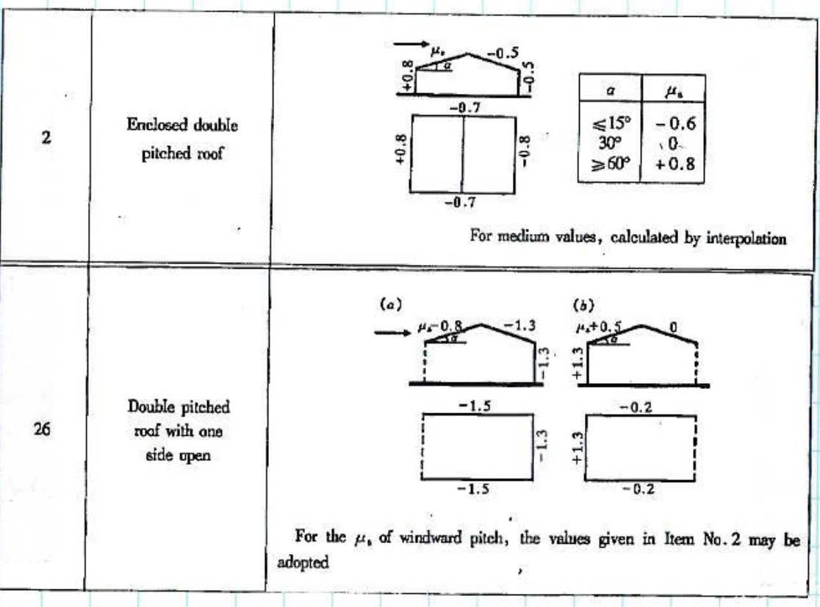
 | Open on 1 Side - Blowing into Open Face
Height [m] | Windward [kN/m2] | Sideward [kN/m2]
1 | 72.031 | -83.1118
2 | 74.6616 | -86.1476
3 | 77.44 | -89.355
4 | 80.3584 | -92.7256
5 | 83.409 | -96.251
6 | 86.584 | -99.9228
7 | 89.8756 | -103.7326
8 | 93.276 | -107.672
9 | 96.7774 | -111.7326
10 | 100.372 | -115.906
11 | 104.052 | -120.1838
12 | 107.8096 | -124.5576
13 | 111.637 | -129.019
14 | 115.5264 | -133.5596
15 | 119.47 | -138.171
16 | 123.46 | -142.8448
17 | 127.4886 | -147.5726
18 | 131.548 | -152.346
19 | 135.6304 | -157.1566
20 | 139.728 | -161.996
21 | 143.833 | -166.8558
22 | 147.9376 | -171.7276
23 | 152.034 | -176.603
24 | 156.1144 | -181.4736
25 | 160.171 | -186.331
26 | 164.196 | -191.1668
27 | 168.1816 | -195.9726
28 | 172.12 | -200.74
29 | 176.0034 | -205.4606
30 | 179.824 | -210.126
31 | 183.574 | -214.7278
32 | 187.2456 | -219.2576
33 | 190.831 | -223.707
34 | 194.3224 | -228.0676
35 | 197.712 | -232.331
36 | 200.992 | -236.4888
37 | 204.1546 | -240.5326
38 | 207.192 | -244.454
39 | 210.0964 | -248.2446
40 | 212.86 | -251.896

